Test Plan


Mind Maps
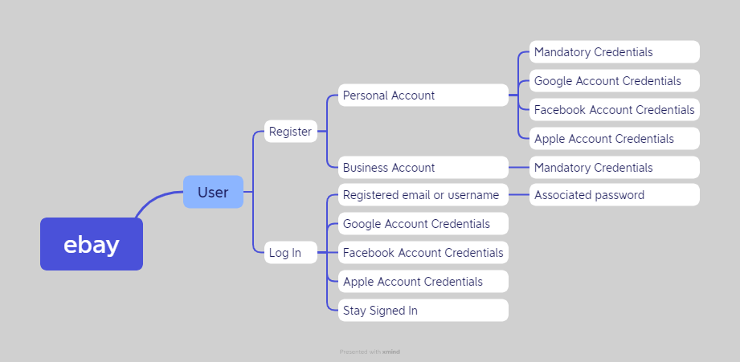

Test Summary Report
Test Summary Pie Chart
Test Case Report
Project Name | ebay (Online shopping platform)
Module Name | Customer Account
Feature Name | Sign Up & Sign In
Test Case Version | 1
Written By | Abdullah Al Mamun
Executed By | Abdullah Al Mamun
Reviewed By

Test Execution Report
Test Case => | Pass | Fail | Not Executed | Out of Scope | Total
 | 24 | 12 | 0 | 2 | 38

Limitations
Documents |  |  |  | Received | Useful
PRD |  |  |  | No | No
User Story |  |  |  | No | No

 | Testing Type in Scope |  | Description
Yes/No Justification if 'No' | Functional Testing |  | In order to determine whether the output satisfies the requirement, this kind of testing ignores the underlying components.
Yes/No Justification if 'No' | Integration Testing |  | Integration testing is the process of testing all integrated modules to confirm their combined functionality after integration.
Yes/No Justification if 'No' | Negative Testing |  | Testing with a "attitude to break" mentality by utilising erroneous information and invalid inputs.
Yes/No Justification if 'No' | Usability Testing |  | Examine the application from the standpoint of usability.
Yes/No Justification if 'No' | Browser Compatibility Testing |  | Web applications undergo browser compatibility testing to make sure they can function on various operating systems and browser combinations.
Yes/No Justification if 'No' | Boundary Value Tesing |  | Each range has an upper and lower border, and testing is done using these boundary values.
Yes/No Justification if 'No' | Risk Based Testing or Regression Testing |  | Highly critical functionality, which has the biggest influence on business and has a very high failure probability, is tested as part of risk-based testing. Regression testing is the process of testing an application as a whole for changes made to any module or capability.

